PV451_P(kW) vs. UTC Time
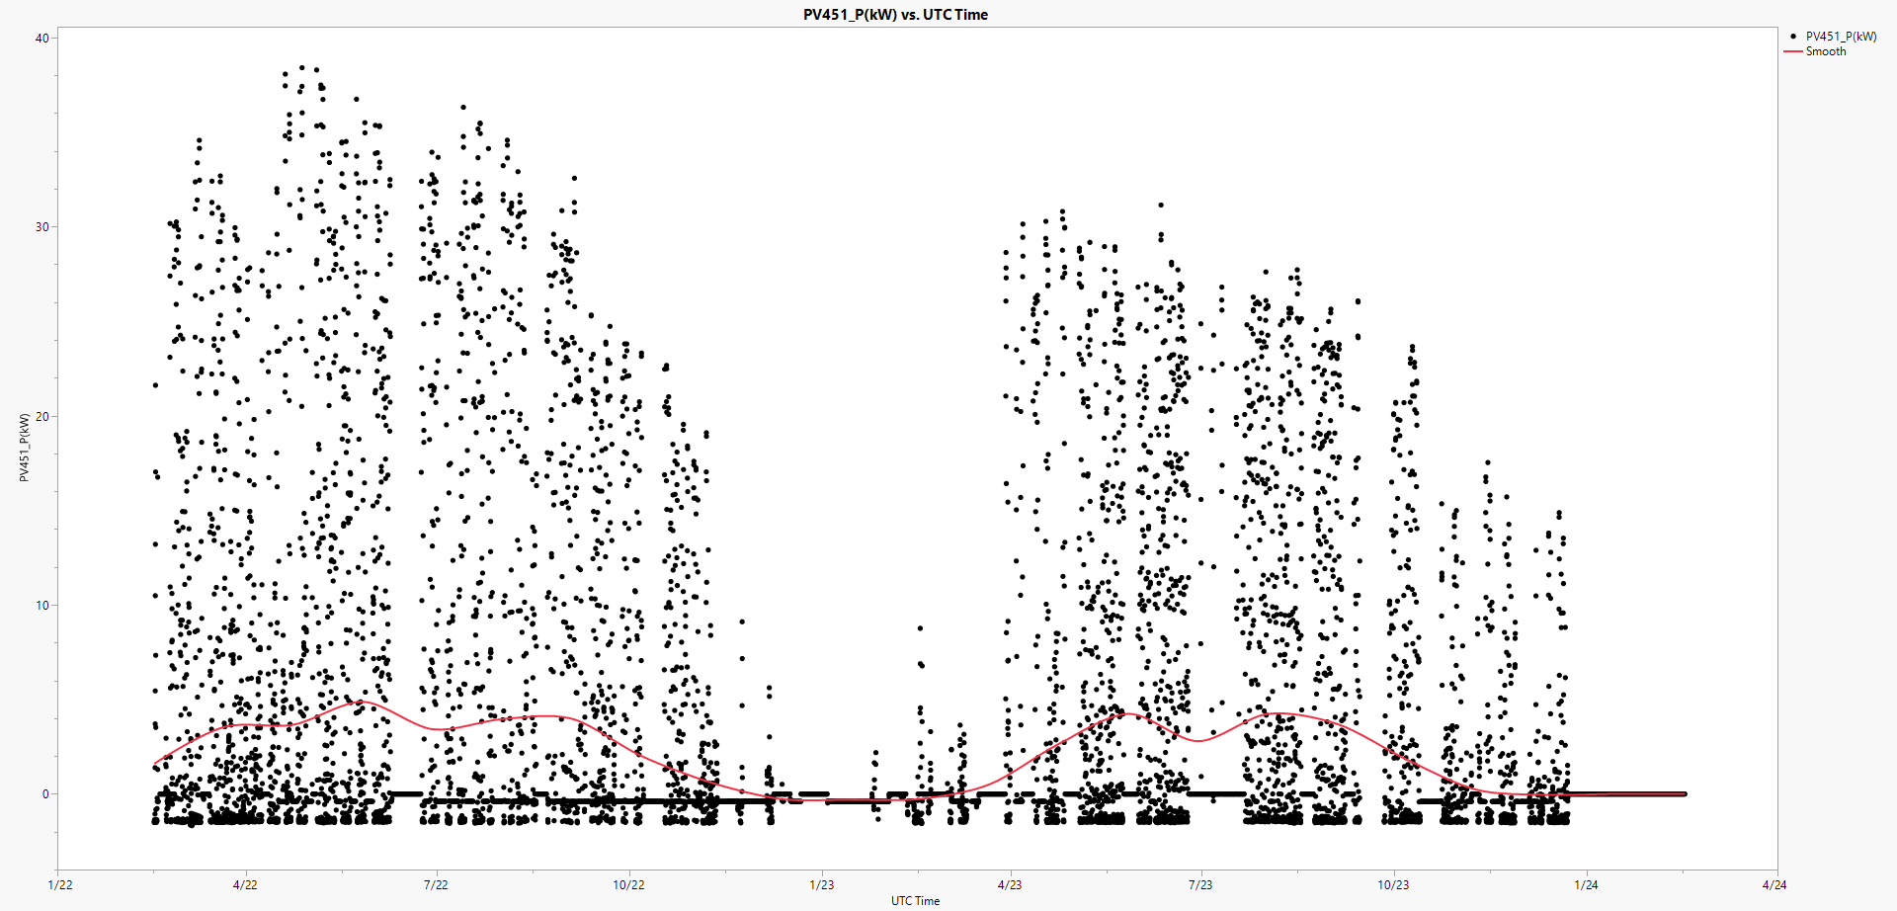

PV451_Q(kVar) vs. UTC Time
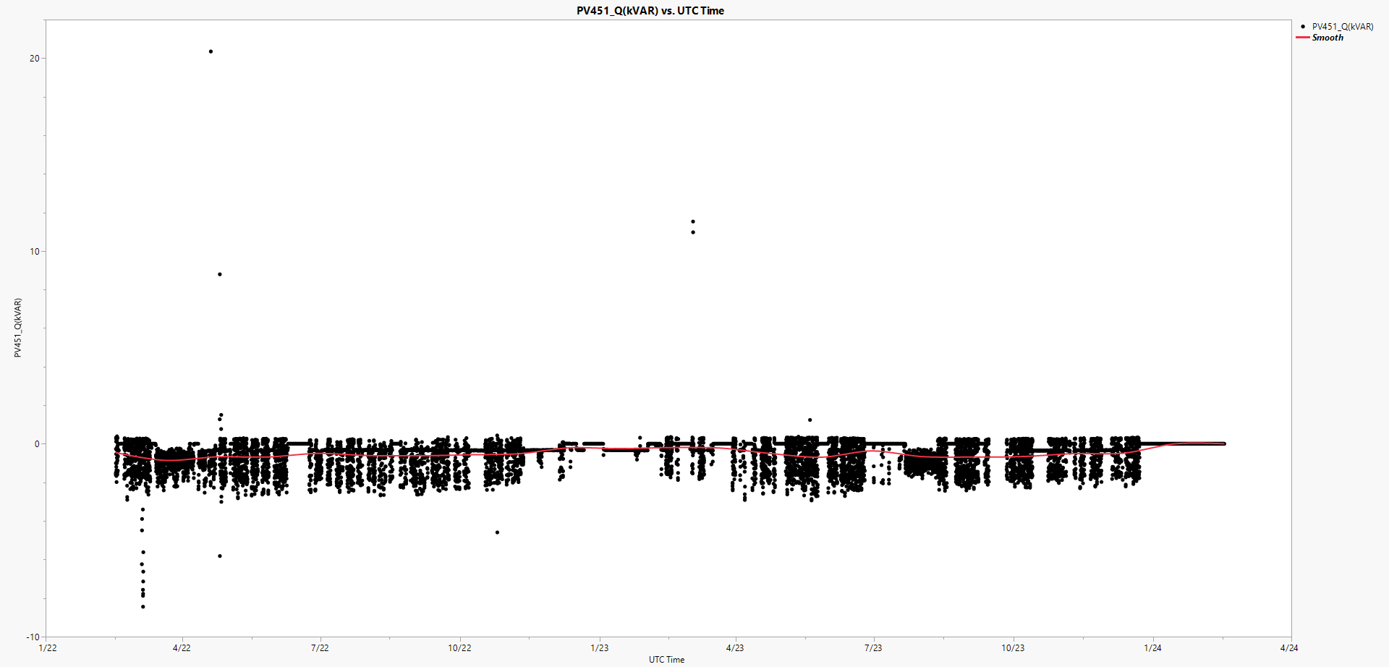

Summary Statistics
